Arkusz1
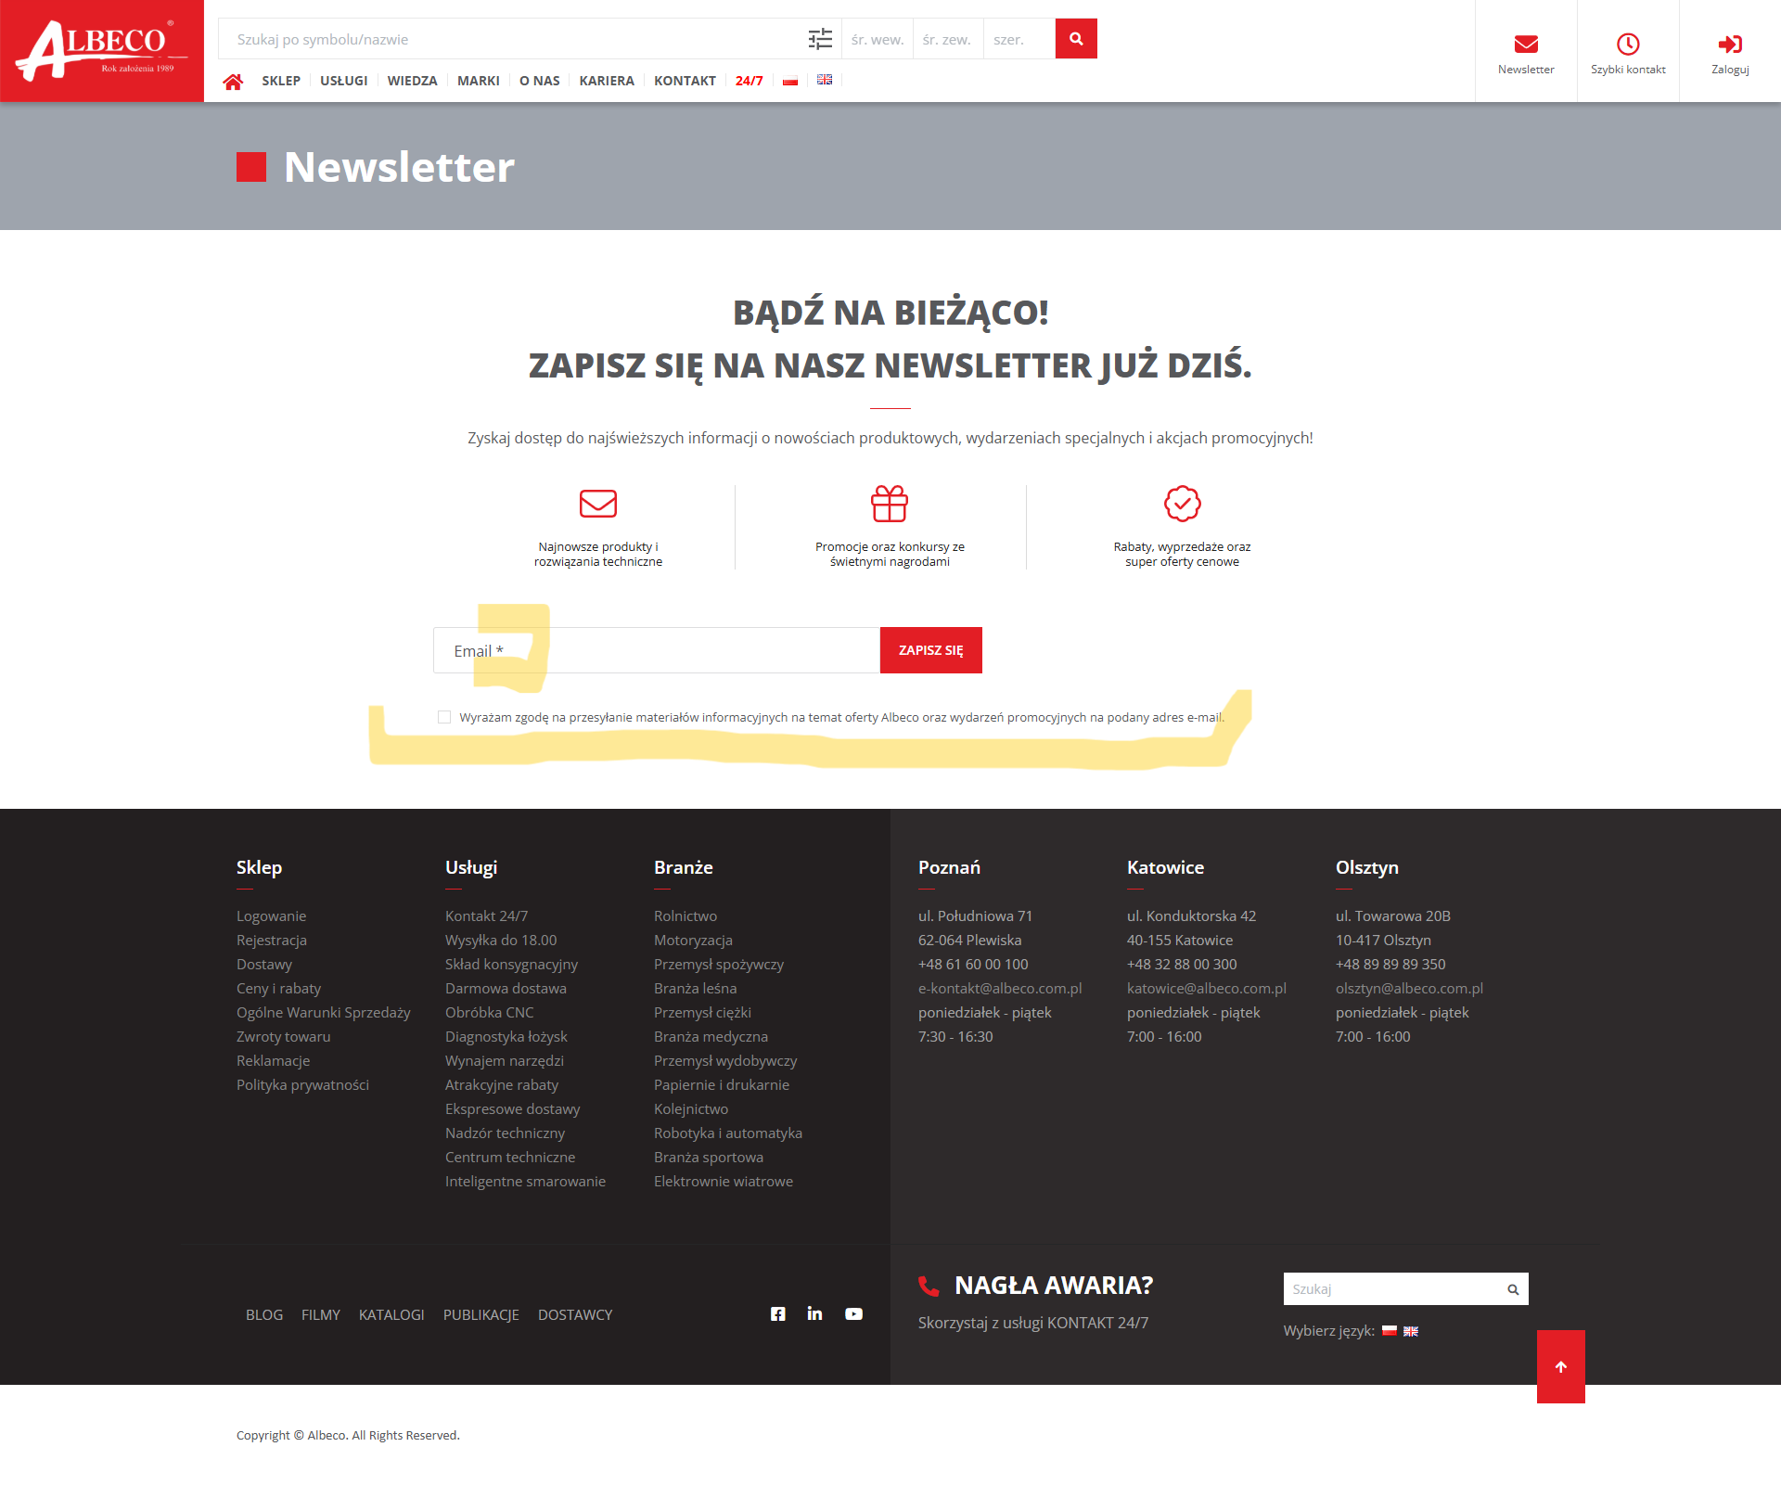
Bug report on Albeco subpage with newsletter sign-up

Title: | Newsletter subscription page
Introduction: | 1. Unnecessary sign of validation in form field. 2. No link directing to an acceptable privacy policy.
Priority: | High
Enviroment: | https://www.albeco.com.pl/pl/newsletter website on Google Chrome, system Windows 10
Steps: | Visit albeco.com.pl website by typing the adress in the url field. If needed wait for a coockie banner and click "Accept all". Then click the newsletter icon on the right top (Envelope with "Newsletter wording").
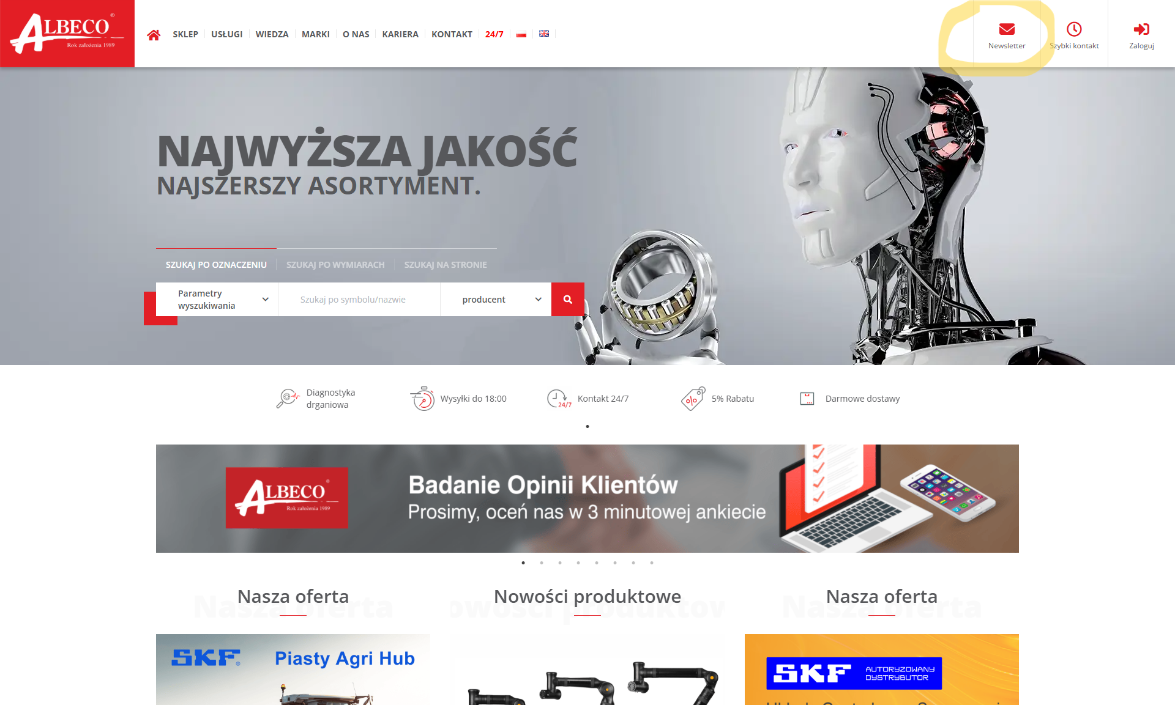

Expectations: | 1 There is one field to complete - validation is not required. 2. accepted consent to send commercial material must include a link to the privacy policy.
Reality: | 1. In the e-mail form field there is unnecessery sign "*" validation. 2. In the sentence accepted by clicking the checkbox, there is no link that leads to the accepted privacy policy within which it should say that you agree to the sending of commercial information.

